Instructions
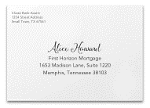
Address Template Instructions:

A. Remove the “Sample” addresses from your template.

B. Do not remove or rearrange columns. Modifying the provided template will delay your order processing.

C. Once you have input your addresses, be sure to remove duplicates, check for valid addresses and any entries that have missing information. Any address with incomplete information will be printed as is.

D. When your document is complete, upload your file.

